Shields Calculator
Shield's Diagram
 | Shield's Curve |  | User-Defined Condition |  | Paphitus (2001) critical shear stress
0.2 | 0.56224959102 | 2.449490 | 0.370679 | 2.449490 | 4.61E-02
0.4 | 0.28554709482
0.6 | 0.19211076876
0.8 | 0.14501948008
1 | 0.1166
1.47 | 0.080010846911
1.47 | 0.080526522889
2 | 0.060965648993
4 | 0.039600616649
6 | 0.034554128884
8 | 0.032908842823
10 | 0.0325175188
10 | 0.032570607364
20 | 0.036310092938
40 | 0.040478915066
60 | 0.043136010204
80 | 0.045126366593
100 | 0.046733236302
200 | 0.052098756846
400 | 0.058080301724
400 | 0.06
600 | 0.06
800 | 0.06
1000 | 0.06
Shields Diagram Calculator for Determining the Onset of Particle Movement at the Bottom of a Fluid-Filled Tank
Eric Ching, Josh Christian, and Cliff Ho (Contact: ckho@sandia.gov, 505-844-2384)
28-Jun-13

Input Parameters
Shear Stress, τ (Pa) | 0.6
Particle Diameter, D (mm) | 1.00E-01
Particle Density, ρp (kg/m3) | 2650
Fluid Density, ρw (kg/m3) | 1000
Kinematic Viscosity, ν (m2/s) | 1.000E-06

Output Parameters
Boundary Reynolds Number, R* | 2.449490
Dimensionless Shear Stress of Tank Bottom, τ* | 0.370679
Dimensionless Critical Shear Stress, τc* | 0.052295
Resuspension? | YES

Paphitus (2001)
Dimensionless grain diameter, D* | 2.53E+03
Dimensionless critical shear stress (q) | 4.61E-02
Critical shear stress (Pa) | 7.46E-02

Sources: |  | Dimensionless shear stress: | Boundary Reynolds number: | Shear velocity:
Beheshti, A.A. and B. Ataie-Ashtiani, 2008, Analysis of threshold and incipient conditions for sediment movement, Coastal Engineering, 55(5), p. 423-430.
Paphitis, D., 2001, Sediment movement under unidirectional flows: an assessment of empirical threshold curves, Coastal Engineering, 43(3-4), p. 227-245.

Shields Curve Data
Shield's Curve

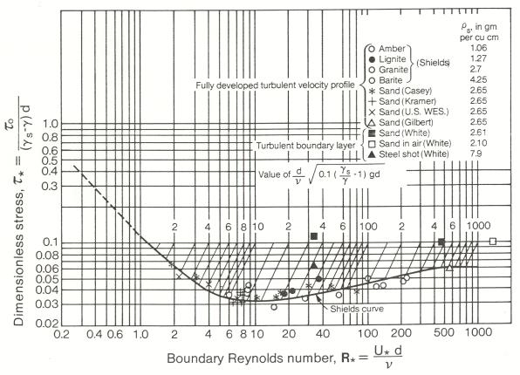
Boundary Reynolds Number | Dimensionless Shear Stress
0.2 | 0.56224959102
0.4 | 0.28554709482
0.6 | 0.19211076876
0.8 | 0.14501948008
1 | 0.1166
1.47 | 0.080010846911
1.47 | 0.080526522889
2 | 0.060965648993
4 | 0.039600616649
6 | 0.034554128884
8 | 0.032908842823
10 | 0.0325175188
10 | 0.032570607364
20 | 0.036310092938
40 | 0.040478915066
60 | 0.043136010204
80 | 0.045126366593
100 | 0.046733236302
200 | 0.052098756846
400 | 0.058080301724
400 | 0.06
600 | 0.06
800 | 0.06
1000 | 0.06 | http://coastalhydraulicslaboratoryfact.tpub.com/4_010491/4_0104910210.htm

Beheshti calculator
Calculator for determining particle movement using Beheshti, A.A. and B. Ataie-Ashtiani, 2008, Analysis of threshold and incipient conditions for sediment movement, Coastal Engineering, 55(5), p. 423-430.
E. Ching, C. Ho, Sandia National Laboratories

Beheshti Curve
 | Beheshti Curve |  | Particle
0.37843076387 | 44.449920282 | 2.52287E+00 | 1.6786209955
0.50457435183 | 28.295486797
1.0091487037 | 9.5301574715
1.5137230555 | 5.0423942635
2.0182974073 | 3.2098370346
2.5228717591 | 2.2611754581
5.0457435183 | 0.76158287507
10.091487037 | 0.28099668001
15.137230555 | 0.25639205554
20.182974073 | 0.24025277339
25.228717591 | 0.22843715712
50.457435183 | 0.19531426685
100.91487037 | 0.16699412353
151.37230555 | 0.15237178814
201.82974073 | 0.14278033931
252.28717591 | 0.13575841121
504.57435183 | 0.11607373725
560.07753053 | 0.11336812778
Input Parameters
Shear Stress, τ (Pa) | 1.00E-01
Particle Diameter, D (mm) | 1.00E-01
Particle Density, ρp (kg/m3) | 2650
Fluid Density, ρw (kg/m3) | 1000
Kinematic Viscosity, ν (m2/s) | 1.004E-06
Corey Shape Factor | 0.7

Output Parameters
Dimensionless Grain Diameter, D* | 2.52287E+00
Shear Velocity, u* (m/s) | 0.010000000
Settling Velocity, ws | 0.005957271
Movability Number of Particle, u*/ws | 1.6786209955
Critical Movability Number | 2.261175
Resuspension? | NO

Beheshti Curve
Beheshti Curve

Particle Diameter (mm) | Particle Density, ρp (kg/m3) | Fluid Density, ρw (kg/m3) | Kinematic Viscosity, ν (m2/s) | Dimensionless Grain Diameter | Critical Movability Number
0.015 | 2650 | 1000 | 1.004E-06 | 0.37843076387 | 44.449920282
0.02 | 2650 | 1000 | 1.004E-06 | 0.50457435183 | 28.295486797
0.04 | 2650 | 1000 | 1.004E-06 | 1.0091487037 | 9.5301574715
0.06 | 2650 | 1000 | 1.004E-06 | 1.5137230555 | 5.0423942635
0.08 | 2650 | 1000 | 1.004E-06 | 2.0182974073 | 3.2098370346
0.1 | 2650 | 1000 | 1.004E-06 | 2.5228717591 | 2.2611754581
0.2 | 2650 | 1000 | 1.004E-06 | 5.0457435183 | 0.76158287507
0.4 | 2650 | 1000 | 1.004E-06 | 10.091487037 | 0.28099668001
0.6 | 2650 | 1000 | 1.004E-06 | 15.137230555 | 0.25639205554
0.8 | 2650 | 1000 | 1.004E-06 | 20.182974073 | 0.24025277339
1 | 2650 | 1000 | 1.004E-06 | 25.228717591 | 0.22843715712
2 | 2650 | 1000 | 1.004E-06 | 50.457435183 | 0.19531426685
4 | 2650 | 1000 | 1.004E-06 | 100.91487037 | 0.16699412353
6 | 2650 | 1000 | 1.004E-06 | 151.37230555 | 0.15237178814
8 | 2650 | 1000 | 1.004E-06 | 201.82974073 | 0.14278033931
10 | 2650 | 1000 | 1.004E-06 | 252.28717591 | 0.13575841121
20 | 2650 | 1000 | 1.004E-06 | 504.57435183 | 0.11607373725
22.2 | 2650 | 1000 | 1.004E-06 | 560.07753053 | 0.11336812778
Beheshti Curve

